Dala Sales & Deliveries
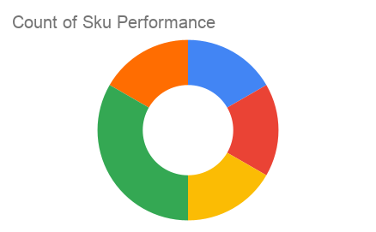
Total Invoices Delivered | 35.00 | Sku Performance | Units | Value
Unique Locations Supplied | 34.00 | 500g Grandios Brown Pap (20x) | 13.75 | 440,000.00
Total Value of orders | 1,340,150.00 | 500g Grandios White Pap (20x) | 10.50 | 336,000.00
 |  | 500g Grandios Yellow Pap (20x) | 15.00 | 480,000.00
 |  | 50g Grandios Brown Pap (120x) | 1.25 | 24,750.00
 |  | 50g Grandios Yellow Pap (120x) | 1.50 | 29,700.00
 |  | 50g Grandios Brown Pap (120x) | 1.25 | 24,750.00
 |  |  | 0.00 | 0.00
 |  |  | 0.00 | 0.00
 |  |  | 0.00 | 0.00
 |  |  | 0.00 | 0.00
 |  |  | 0.00 | 0.00
 |  |  | 0.00 | 0.00

